Aeropostale Bags
Brand | Style | Image | Color | PartNum | Size | Part Description | UPC | MSRP | Whse | NetAvail
Aeropostale Bags/ColdWthr/Womens Be&Wa | BP92029AEQA | 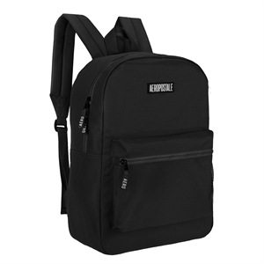 | BLACK | BP92029AEQAAQ00 | N/S | FIELD TRIP BACKPACK WITH RUBBER PATCH - -N/S- - BLACK | 083009308520 | $29.99 | LAH3 - 392 STL - 120 | 512
 | BP92029AEQAA | 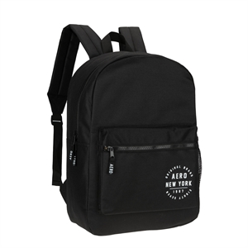 | PTCHBLK | BP92029AEQAAAQ00 | N/S | Field Trip backpack - BLACK - -N/S- - PITCH BLACK | 083009308728 | $29.99 | LAH3 - 840 STL - 736 | 1,576
 | BP92029AEQB | 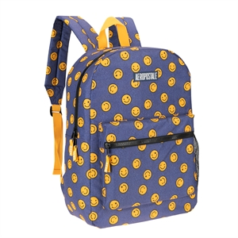 | BLUES | BP92029AEQBAQ00 | N/S | Field Trip backpack - HAPPY DAYS - -N/S- - BLUES | 083009308537 | $29.99 | LAH3 - 432 STL - 261 | 675
 | BP92029AEQBB | 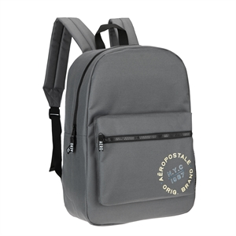 | GRYMED | BP92029AEQBBAQ00 | N/S | Field Trip backpack - GREY - -N/S- - GREY MEDIUM | 083009308711 | $29.99 | LAH3 - 240 | 240
 | BP92029AEQDD | 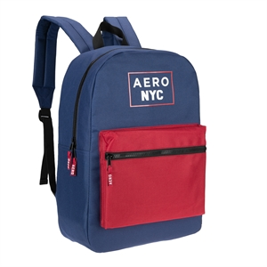 | BLURE | BP92029AEQDDAQ00 | N/S | Field Trip backpack - AIRFORCE BLUE/RED - -N/S- - BLUE RED | 083009308742 | $29.99 | LAH3 - 240 | 240
 | BP92029AEQG | 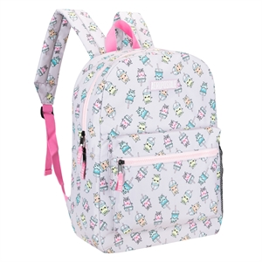 | BLUSH | BP92029AEQGAQ00 | N/S | Field Trip backpack - BOBA PARTY - -N/S- - BLUSH | 083009308575 | $29.99 | LAH3 - 120 STL - 165 | 285
 | BP92029AEQH | 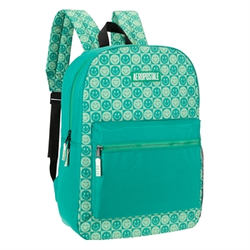 | DKGRN | BP92029AEQHAQ00 | N/S | Field Trip backpack - BE HAPPY CHECKER - -N/S- - DARK GREEN | 083009308582 | $29.99 | Lah3 - 408 STL - 329 | 683
 | BP92029AEQI | 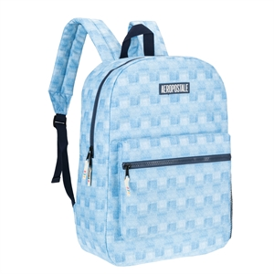 | LTBLUE | BP92029AEQIAQ00 | N/S | Field Trip backpack - DENIM CHECKER - -N/S- - LIGHT BLUE | 083009308599 | $29.99 | LAH3 - 632 STL - 137 | 769
 | BP92029AEQJ | 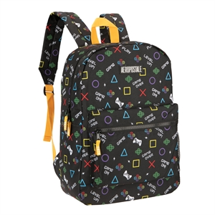 | LAPIS | BP92029AEQJAQ00 | N/S | Field Trip backpack - GAMER - -N/S- - LAPIS | 083009308605 | $29.99 | LAH3 - 632 STL - 24 | 656
 | BP92029AEQK | 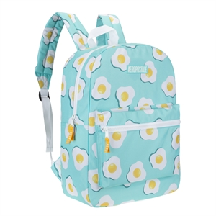 | ICEBLU | BP92029AEQKAQ00 | N/S | Field Trip backpack - EGGCELLENT - -N/S- - ICE BLUE | 083009308612 | $29.99 | LAH3 - 240 STL - 455 | 695
 | BP92029AEQM | 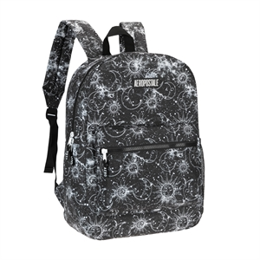 | COAL | BP92029AEQMAQ00 | N/S | Field Trip backpack - CELESTIAL SKY - -N/S- - COAL | 083009308629 | $29.99 | LAH3 - 120 STL - 311 | 424
 | BP92029AEQN | 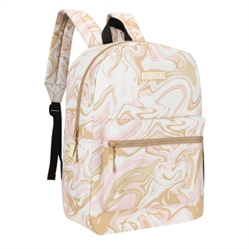 | SAND | BP92029AEQNAQ00 | N/S | Field Trip backpack - VANILLA SKY - -N/S- - SAND | 083009308636 | $29.99 | LAH3 - 120 STL - 23 | 143
 | BP92029AEQU | 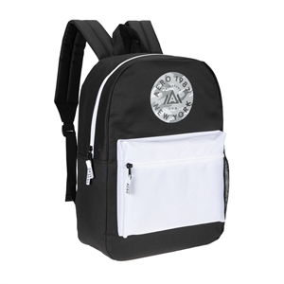 | ONYX | BP92029AEQUAQ00 | N/S | Field Trip backpack - BLACK/WHITE - -N/S- - ONYX | 083009308674 | $29.99 | LAH3 - 528 STL - 767 | 1,295
 | BP92029AEQW | 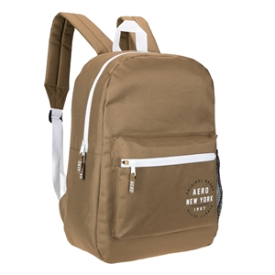 | MUDBRN | BP92029AEQWAQ00 | N/S | Field Trip backpack - BROWN/WHITE - -N/S- - MUD BROWN | 083009308681 | $29.99 | LAH3 - 240 STL - 599 | 503
 | BP92029AEQX | 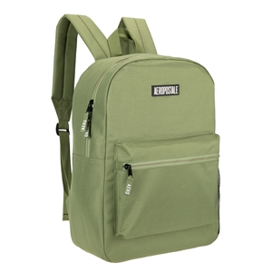 | SGG | BP92029AEQXAQ00 | N/S | Field Trip backpack - SAGE - -N/S- - SAGE GREEN | 083009308698 | $29.99 | LAH3 - 168 STL - 593 | 706
 | BP92029AEQY | 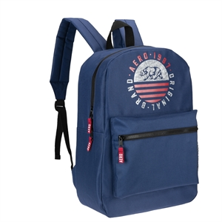 | NAVY | BP92029AEQYAQ00 | N/S | Field Trip backpack - AIRFORCE BLUE - -N/S- - NAVY | 083009308704 | $29.99 | LAH3 - 120 STL - 329 | 449
 | BP92029AEQZ | 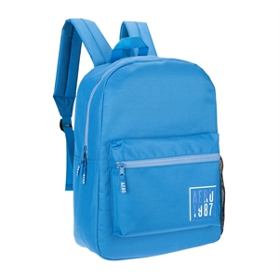 | FLTBLU | BP92029AEQZAQ00 | N/S | Field Trip backpack - SKY - -N/S- - FLAT BLUE | 083009308513 | $29.99 | LAH3 - 240 STL - 305 | 545
 | BP92033AEQB | 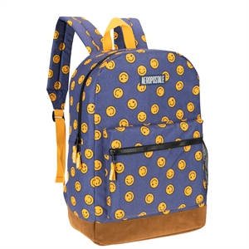 | WSHDEN | BP92033AEQBAQ00 | N/S | Field Trip upgraded backpack - HAPPY DAYS - -N/S- - WASHED DENIM | 083009308797 | $29.99 | LAH3 - 528 STL - 755 | 1,283
 | BP92033AEQG | 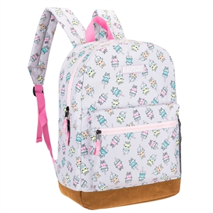 | BLUSH | BP92033AEQGAQ00 | N/S | Field Trip upgraded backpack - BOBA PARTY - -N/S- - BLUSH | 083009308841 | $29.99 | LAH3 - 240 STL - 381 | 609
 | BP92033AEQH | 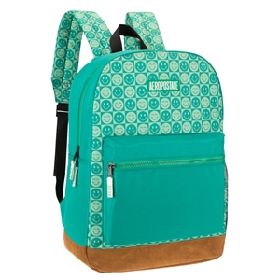 | DKGRN | BP92033AEQHAQ00 | N/S | Field Trip upgraded backpack - BE HAPPY CHECKER - -N/S- - DARK GREEN | 083009308858 | $29.99 | LAH3 - 240 STL - 30 | 240
 | BP92033AEQI | 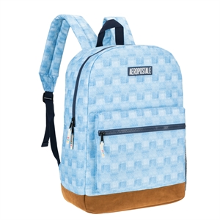 | LTBLUE | BP92033AEQIAQ00 | N/S | Field Trip upgraded backpack - DENIM CHECKER - -N/S- - LIGHT BLUE | 083009308865 | $29.99 | STL - 762 | 750
 | BP92033AEQJ | 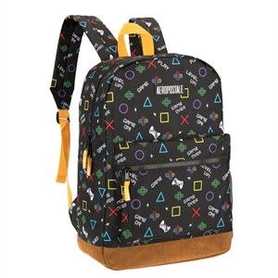 | BLKYEL | BP92033AEQJAQ00 | N/S | Field Trip upgraded backpack - GAMER - -N/S- - BLACK YELLOW | 083009308872 | $29.99 | LAH3 - 632 STL - 748 | 1,380
 | BP92033AEQL | 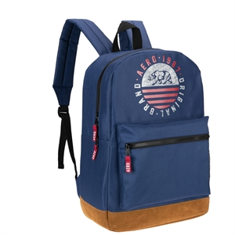 | MLTYNV | BP92033AEQLAQ00 | N/S | Field Trip upgraded backpack - AIRFORCE BLUE - -N/S- - MILITARY NAVY | 083009308896 | $29.99 | STL - 77 | 77
 | BP92033AEQQ | 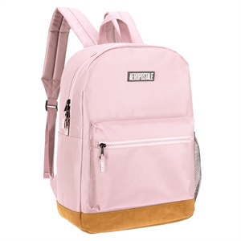 | PINK | BP92033AEQQAQ00 | N/S | Field Trip upgraded backpack - ROSEBERRY - -N/S- - PINK | 083009308940 | $29.99 | STL - 24 | 24
 | BP92033AEQR | 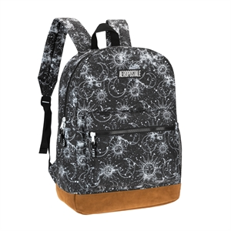 | DPCHAR | BP92033AEQRAQ00 | N/S | Field Trip upgraded backpack - CELESTIAL SKY - -N/S- - DEEP CHARCOAL | 083009308957 | $29.99 | LAH3 - 180 STL - 17 | 197
 | BP92033AEQT | 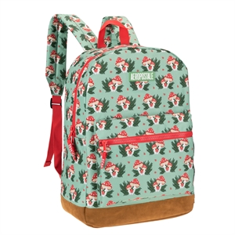 | DKGRN | BP92033AEQTAQ00 | N/S | Field Trip upgraded backpack - MAGIC MUSHROOM - -N/S- - DARK GREEN | 083009308971 | $29.99 | LAH3 - 240 STL - 455 | 695
 | BP92079AEQA | 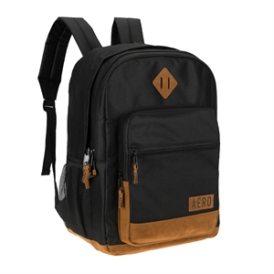 | BLKBRN | BP92079AEQAAQ00 | N/S | AIRSTREAM BACKPACK - -N/S- - BLACK BROWN | 083009309008 | $29.99 | STL - 407 LAH3 - 240 | 647
 | BP92932AOQA | 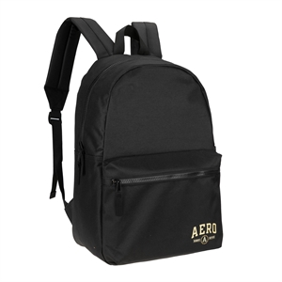 | BLACK | BP92932AOQAAQ00 | N/S | Wellington Backpack - BLACK - -N/S- - BLACK | 083009308759 | $29.99 | LAH3 - 1200 STL - 12 | 1,200
 | BP92932AOQB | 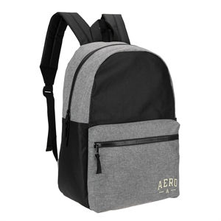 | BLKGRY | BP92932AOQBAQ00 | N/S | Wellington Backpack - BLACK/CHARCOAL HEATHER - -N/S- - BLACK GREY | 083009308766 | $29.99 | LAH3 - 632 STL - 388 | 1,019
 | BP92932AOQC | 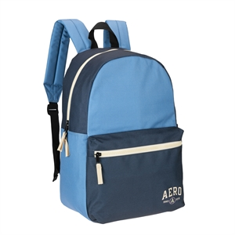 | NAVY | BP92932AOQCAQ00 | N/S | Wellington Backpack - BLUE/SARGASSO SEA - -N/S- - NAVY | 083009308773 | $29.99 | LAH3 - 240 STL - 225 | 436
 | BP96438AOQA | 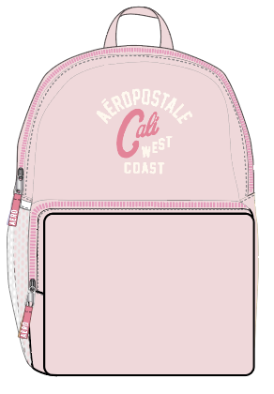 | PNKCLK | BP96438AOQAAQNS | N/S | POPPY BACKPACK - -N/S- | 083009332518 | $29.99 | STL - 3400 | 3,400
 | BP96438AOQB | 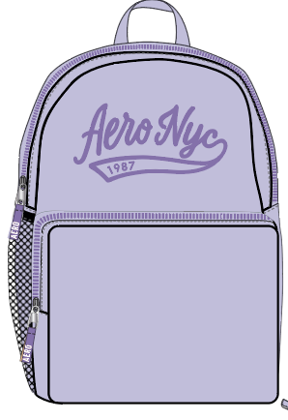 | PRPLHEATH | BP96438AOQBAQNS | N/S | POPPY BACKPACK - -N/S- | 083009332525 | $29.99 | STL - 3400 | 3,399
 | BP96438AOQC | 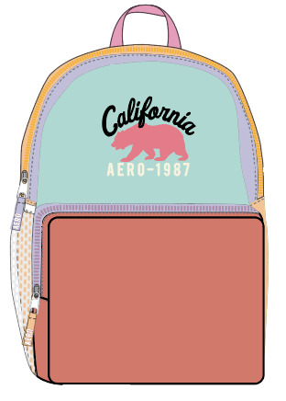 | YUCCA | BP96438AOQCAQNS | N/S | POPPY BACKPACK - -N/S- | 083009332532 | $29.99 | STL - 3400 | 3,351
 | BP96438AOQD | 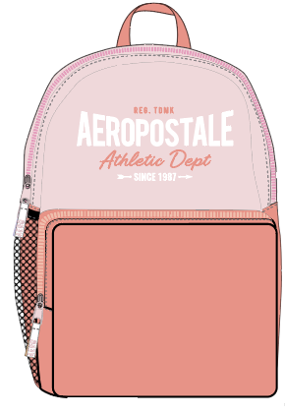 | SLMNRS | BP96438AOQDAQNS | N/S | POPPY BACKPACK - -N/S- | 083009332549 | $29.99 | STL - 3400 | 3,399
 | TB95441AOQA | 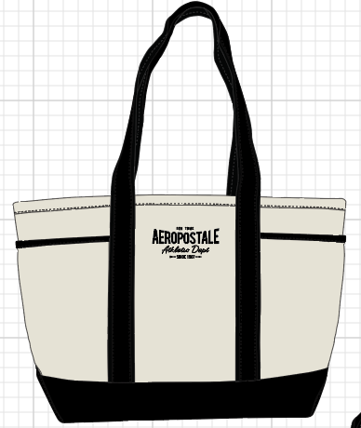 | BLACK | TB95441AOQAAQNS | N/S | The Hamptons tote - -N/S- | 083009328719 | $29.99 | STL - 2040 | 2,040
 | TB95441AOQB | 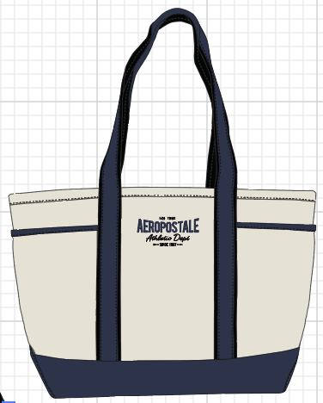 | NAVY | TB95441AOQBAQNS | N/S | The Hamptons tote - -N/S- | 083009328726 | $29.99 | STL - 2220 | 2,220
 | TB96247AOQA | 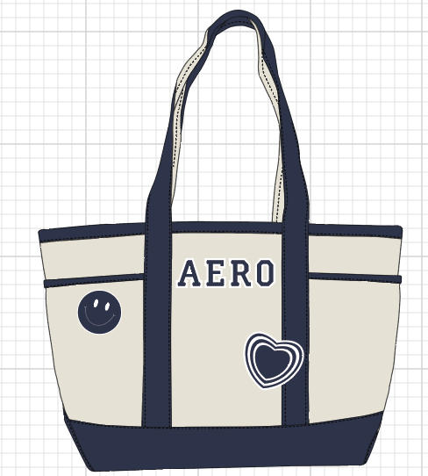 | NAVY | TB96247AOQAAQNS | N/S | Back to School Tote - -N/S- | 083009328696 | $29.99 | STL - 2220 | 2,220
 | TB96247AOQB | 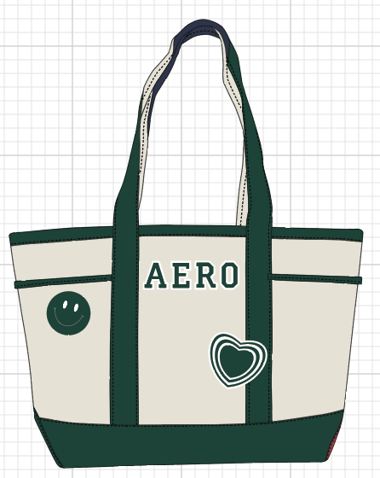 | DKGRN | TB96247AOQBAQNS | N/S | Back to School Tote - -N/S- | 083009328702 | $29.99 | STL - 2040 | 2,040
 |  |  |  |  |  |  |  |  |  | 41022

